Introduction


Simplified Population Model for Earth Overshoot Day 2020
Earth Overshoot Day (www.overshootday.org) marks the date when humanity’s demand for ecological resources and services in a given year exceeds what Earth can regenerate in that year. To determine the date of Earth Overshoot Day, Global Footprint Network calculates the number of days that Earth’s biocapacity can provide for humanity’s Ecological Footprint.
This calculation sheet provides a simple population model to estimate the impact of changed Total Fertility Rates (number of children per woman over her lifetime). It is based on UN population statistics with five-year increments. From the historical population numbers, mortality rates per 5 year segment are calculated. For extrapolations to 2100, it is assumed that mortality rates stay the same, and that the average age of mothers at birth is not changing either. Both of those parameters would, of course change the results as well, but not as much as the Total Fertility Rates.
The sheet called "pop calculator" allows to change three key assumption: 1) the world average TFR. (Cell G7 in yellow). The one that produces replacement fertility is estimated in cell G8. 2) mortality rates (Cell E4). Indicate how much mortality should be down, across all age groups. Compare to historical drops in mortality in line 35 and 36 of sheet "upgraded UN data" 3) average age of mother - AH29-AM29 show impact of increasing mothers' average age by 1-5 years. The sheet then calculates the world population up to 2100 and beyond. It also provides dependency ratios (based on different ranges considered to be the "working population"). For results, go to Cell F112 on sheet "pop calculator" Of course it would be possible to build a more sophisticated version with TFRs changing over time. Also, for this model, it is assumed that the fertile age stretches from 15-39 years old.

Online Data Access for Global Footprint Network data
For complementary data, visit Ecological Footprint Explorer or Global Footprint Network's website. In addition, all figures shown in this Data Package are hyperlinked to an interactive version in the Ecological Footprint Explorer. The Explorer can be found at
Ecological Footprint Explorer (http://data.footprintnetwork.org/)
Global Footprint Network Data Downloads (https://www.footprintnetwork.org/licenses/)

This Data Package provided by Global Footprint Network is licensed under a Creative Commons Attribution-ShareAlike 4.0 International License (CC-BY-SA 4.0).

Publication
Global Footprint Network receives funding to conduct research and publish on a number of Footprint accounting-related topics with collaborators around the world. We also encourage the academic and scientific communities to use our data to conduct independent research. Additionally, we welcome researchers of all disciplines to contact us with questions or for potential collaborations. A few examples of potential topics we are interested in exploring further include economics and sustainable development. If you are publishing research that uses our data, please let us know so we can highlight your work to magnify its impact:
data@footprintnetwork.org

Supporting documentation:
Calculation Methodology for the National Footprint and Biocapacity Accounts
Ecological Footprint Atlas
Definitions of Key Concepts
Additional Background Information

Please direct questions and research inquires to:
data@footprintnetwork.org

© 2020 Global Footprint Network, produced by Mathis Wackernagel, Ph.D.

Background Information
Background on Footprint and Biocapacity Accounting
Footprint and biocapacity accounting helps us answer the basic research question: How much do people demand from biologically productive surfaces (Ecological Footprint) compared to how much the planet (or a region's productive surface) can regenerate on those surfaces (biocapacity)?

What is the Ecological Footprint? What is it composed of?
The Ecological Footprint is a measure of the biologically productive land and water area an individual, population or activity requires to produce all the resources it consumes, to accommodate its occupied urban infrastructure, and to absorb the waste it generates, using prevailing technology and resource management practices.

The components of the Ecological Footprint include:
Cropland: Cropland is the most bioproductive of all the land-use types and consists of areas used to produce food and fiber for human consumption, feed for livestock, oil crops, and rubber. Due to lack of globally consistent data sets, current cropland Footprint calculations do not yet take into account the extent to which farming techniques or unsustainable agricultural practices may cause long-term degradation of soil. The cropland Footprint includes crop products allocated to livestock and aquaculture feed mixes, and those used for fibers and materials.
Forest land: Provides for two services: The forest product Footprint, which is calculated based on the amount of lumber, pulp, timber products, and fuel wood consumed by a country on a yearly basis. It also accommodates the carbon Footprint, which represents the carbon dioxide emissions from burning fossil fuels. The carbon Footprint also includes embodied carbon in imported goods. It is represented by the area necessary to sequester these carbon emissions. The carbon Footprint component of the Ecological Footprint is calculated as the amount of forest land needed to absorb these carbon dioxide emissions. Currently, the carbon Footprint is the largest portion of humanity’s Footprint.
Fishing grounds: The fishing grounds Footprint is calculated based on estimates of the maximum sustainable catch for a variety of fish species. These sustainable catch estimates are converted into an equivalent mass of primary production based on the various species’ trophic levels. This estimate of maximum harvestable primary production is then divided amongst the continental shelf areas of the world. Fish caught and used in aquaculture feed mixes are included.
Grazing land: Grazing land is used to raise livestock for meat, dairy, hide, and wool products. The grazing land Footprint is calculated by comparing the amount of livestock feed available in a country with the amount of feed required for all livestock in that year, with the remainder of feed demand assumed to come from grazing land.
Built-up land: The built-up land Footprint is calculated based on the area of land covered by human infrastructure — transportation, housing, industrial structures, and reservoirs for hydropower. In absence of better evidence, we typically assume that built-up land occupies what would previously have been cropland.

What is Biocapacity?
Biocapacity serves as a lens, showing the capacity of the biosphere to regenerate and provide natural resources and services for life. It allows researchers to add up the competing human demands, which include natural resources, waste absorption, water renewal, and productive areas dedicated to urban uses. As an aggregate, biocapacity allows us to determine how large the material metabolism of human economies is compared to what nature can renew.

What is a global hectare (gha)?
A global hectare is a biologically productive hectare with world average productivity. Because each unit of space harbours a different portion of the global regenerative capacity, each unit is counted proportional to its global biocapacity share. For this reason, hectares are adjusted proportionally to their productivity and are expressed in global hectares.

Measuring Sustainable Development with HDI and Footprint Assessments
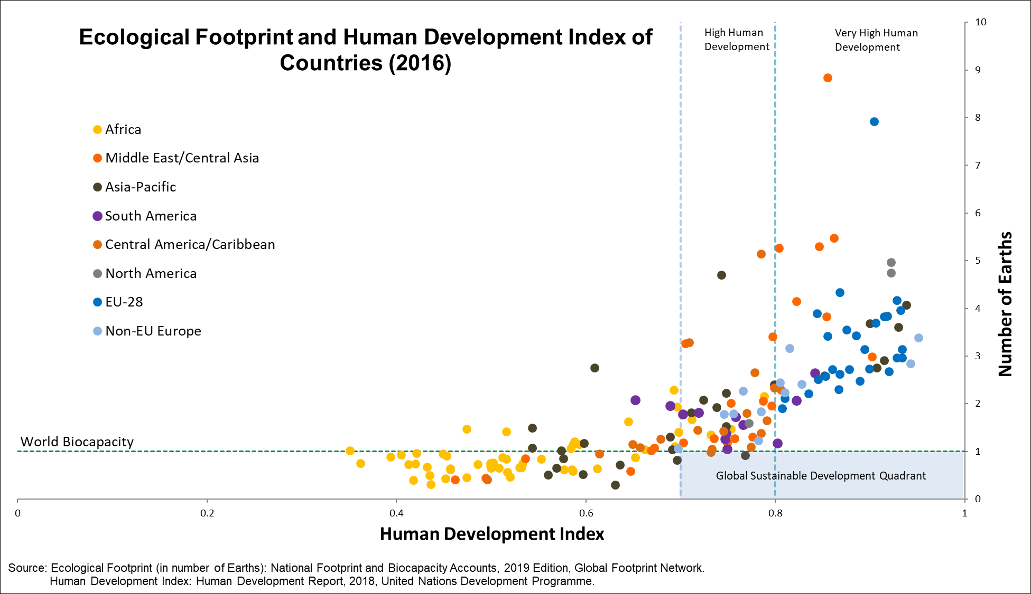

The essence of sustainable development can be measured by tracking its two core dimensions:
1) economic and social development
2) environmental sustainability

Economic and social development, or human well-being, can be approximated with UNDP’s widely recognized Human Development Index (HDI). UNDP considers an HDI of more than 0.7 to be “high human development.” Environmental sustainability, or living within the means of nature, can be evaluated with the Ecological Footprint. The HDI-Footprint graph above shows how a population's HDI compares to its resource demand. The graph illustrates the challenge of creating a globally-reproducible high level of human well-being without overtaxing the planet’s ecological resource base.

Note that the comparison against global average biocapacity provides a global overview. This approach can be further extended by comparing Footprints also against local biocapacity. For most countries, local availability of biocapacity (and the financial means to access biocapacity from elsewhere) is a more significant determinant of resource access than the global average.

Appendix: Background on Ecological Footprint

Simple introductions to Footprint accounting:
http://www.footprintnetwork.org/our-work/ecological-footprint/
http://www.footprintnetwork.org/resources/data/

Country example:
http://www.footprintnetwork.org/2017/01/10/switzerland/

Methodology Papers on the National Footprint and Biocapacity Accounts:
Lin et al. (2018) Ecological Footprint Accounting for Countries: Updates and Results of the National Footprint Accounts, 2012–2018, Resources, 7(3), 58.
Borucke et al. (2013) Accounting for demand and supply of the Biosphere’s regenerative capacity: the National Footprint Accounts’ underlying methodology and framework. Ecological Indicators, 24, 518-533.

A more thorough introduction to the Footprint concept is:
Wackernagel, Mathis, Gemma Cranston, Juan Carlos Morales, Alessandro Galli, 2014. “Chapter 24: Ecological Footprint Accounts: From Research Question to Application,” Giles Atkinson, Simon Dietz, Eric Neumayer and Matthew Agarwala (eds), 2014, Handbook of Sustainable Development: second revised edition. Edward Elgar Publishing, Cheltenham, UK ISBN-13: 978-1782544692

A list of academic literature on the Ecological Footprint:
http://www.footprintnetwork.org/resources/journal-articles/

Ecological Footprint Reviews by national governments:
www.footprintnetwork.org/reviews

Frequently asked questions:
www.footprintnetwork.org/faq

Fertility rates
Total Fertility Rate (various source, mostly https://data.worldbank.org/indicator)
(or google search "total fertility rate portugal")
National Fertility rates
country | children born/woman over her lifetime (2020 est.)
Japan | 1.43
Spain | 1.51
Portugal | 1.38 | 2017
Italy | 1.47
Germany | 1.47
Iran | 1.95
India (2016) | 2.3

Indian provinces
https://niti.gov.in/content/total-fertility-rate-tfr-birth-woman
Goa (2013) | 1.4
Kerala (2013) | 1.8

https://www.cdc.gov/nchs/products/databriefs/db232.htm

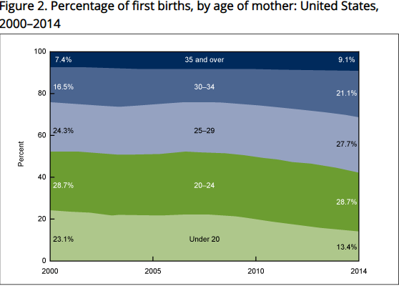

 | Age distribution of mothers in US
 | 10-14 | 15-19 | 20-24 | 25-29 | 30-34 | 35-39 | 40-44 | 45-49 | 50-54 | SUM
 |  | 13.40% | 28.70% | 27.70% | 21.10% | 9.10% |  |  |  | 100% | actual data from CDC for US, with percentage under 19 and over 35
 | 2% | 11.40% | 28.70% | 27.70% | 21.10% | 7.10% | 2% |  |  | 100% | same data, with percentage under 19 and over 35 spread out
 | 7.0% | 39.7% | 100.0% | 96.5% | 73.5% | 24.7% | 7.0% |  |  | 348% | percentage compared to 20-25 year old being 100%

